Appraise
 |  |  |  |  |  | GATE Appraise - Systematic Reviews
Notes for use: Enter study numbers in yellow areas. Help notes appear in movable boxes.
Enter study descriptions in orange areas. The form calculates results and displays them in the green areas
Use the overflow tab to provide more detail if allocated space is insufficient
 | Assessed by: | Assessed when: |  |  |  | Publication details:
FIND | META-ANALYSIS METHODS |  | STUDY NUMBERS - hang on GATE frame |  |  |  | META-ANALYSIS ERRORS (FAITH)
 | Study types included: |  |  |  |  |  | FIND were most relevant studies likely to have been found?
 | List study sources:
 |  |  |  | Study Sources

 |  |  |  | Articles
 |  |  |  | screened
 | Describe eligibility criteria to screen studies using PECOT:

 | Describe search strategy:

 | Describe how studies screened? By whom? How many included/excluded? |  | Included |  | Excluded |  | APPRAISE was assessment of the quality/validity of studies done well?

 |  |  | Number of articles screened

 |  |  | Number of articles appraised

APPRAISE | Describe how the quality of studies meeting intial screening criteria was appraised |  | Number of studies in final analyses

 |  |  |  |  |  |  | INCLUDE were reasons to include/exclude studies well justified?

INCLUDE | What reasons were given for including/excluding appaised studies in final analyses? How many were included/excluded? |  | 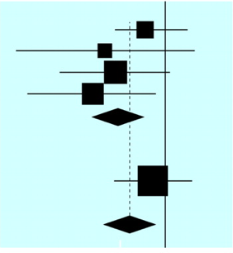

TOTAL | How were the study results summarised? Was a meta-analysis done? Were sensistivity analyses done? |  |  |  |  |  | TOTAL were studies results pooled using standard meta-analyses methods?

HETEROGENEITY | If meta-analysis done, how similar were studies? Were tests of heterogeneity done? What were the main Results? |  |  |  |  |  | HETEROGENEITY were studies results similar enough to be pooled?

Summary what were the main findings? Based in the FAITH criteria, are the findings valid?

1. Study design: was a valid, systematic, reproducible review methodology followed? 2. Study errors: was there likely to be important publication bias? Were the right studies included? 3. Study analyses: were studies summarised (and/or combined) appropriately? 4. Study numbers: were CIs sufficiently narrow (random error sufficiently low) for results to be meaningful? 5. Apllicability: are the findings likely to be applicable in practice?

 |  |  |  |  |  |  |  | Please contribute your comments and suggestions on this form to: | rt.jackson@auckland.ac.nz

